Sizing - Baseline
Horizontal tail |  |  |  | Vertical tail |  |  |  | Sizing reference
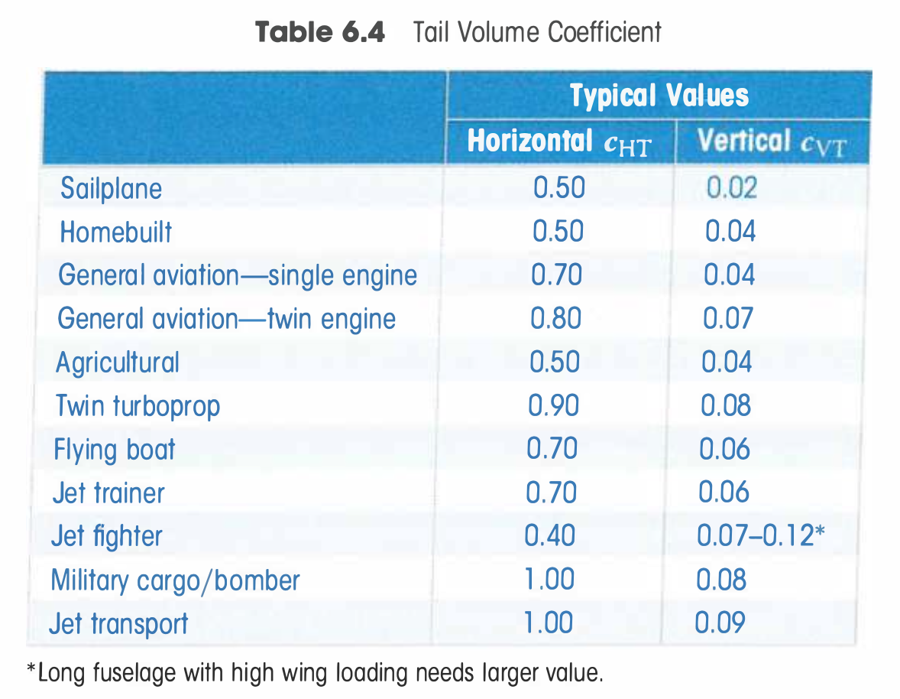
$$S_{t}$$
$$S_{v}$$
$$l_{t}$$
$$l_{v}$$
Variable needed | shorthand | value | Eq source | Variable needed | shorthand | value | Eq source
Tail planform area |  | 120 | Raymer 6.29 | Tail planform area |  | 155 | Raymer 6.28
Tail arm |  | 20 |  | Tail arm |  | 15
$$b_{t}$$
$$b_{t}$$
Span |  |  |  | Span/height
$$\overline{c_{t}}$$
$$c_{v}^{root}$$
Mean aerodynamic chord |  |  |  | Root chord length
$$c_{v}^{tip}$$
Airfoil choice |  |  |  | Tip chord length
Aspect ratio | ARt |  |  | Airfoil choice
$$λ_{t}$$
Sweep angle (deg) |  |  |  | Aspect ratio | ARv
$$λ_{v}$$
 |  |  |  | Sweep angle (deg)
Horizontal tail volumn coef |  | 0.41739130435 |  | Efficiency factor
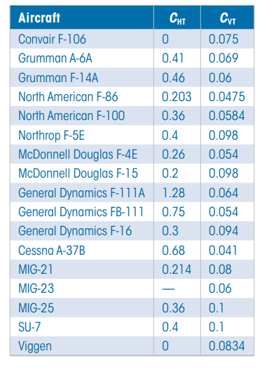
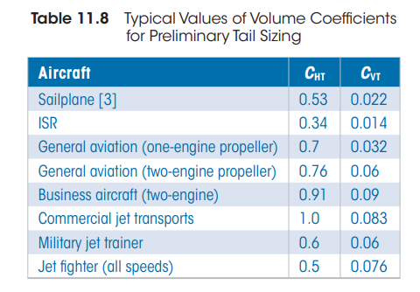
For an aircraft that uses a "V-tail," the required horizontal and vertical tail
sizes should be estimated as before. Then the V surfaces should be sized to
provide the same total surface areaflO] as required for conventional tails.
The tail dihedral angle should be set to the arctangent of the square root
of the ratio between the required vertical and horizontal tail areas. This
should be near 45 deg.
The horizontal tail volume coefficient for an aircraft with a control-type
canard is approximately 0.1, based upon the relatively few aircraft of this type
that have flown. For canard aircraft there is a much wider variation in the tail
moment arm. Typically, the canard aircraft will have a moment arm of about
30-50% of the fuselage length.
 |  |  |  |  |  |  |  | Tail volume coefficient from Raymer, p. 160(pdf 190)
 |  |  |  | Vertical tail volumne coef |  | 0.10402684564

Main wing

$$c_{w}$$
$$S_{w}$$
Variable needed | shorthand | value
Mean chord |  | 11.5
Wing planform area |  | 500
$$b_{w}$$
Wing span |  | 44.7
Aspect ratio
Sweep angle (deg)

Formatted Tables

Horizontail Tail For

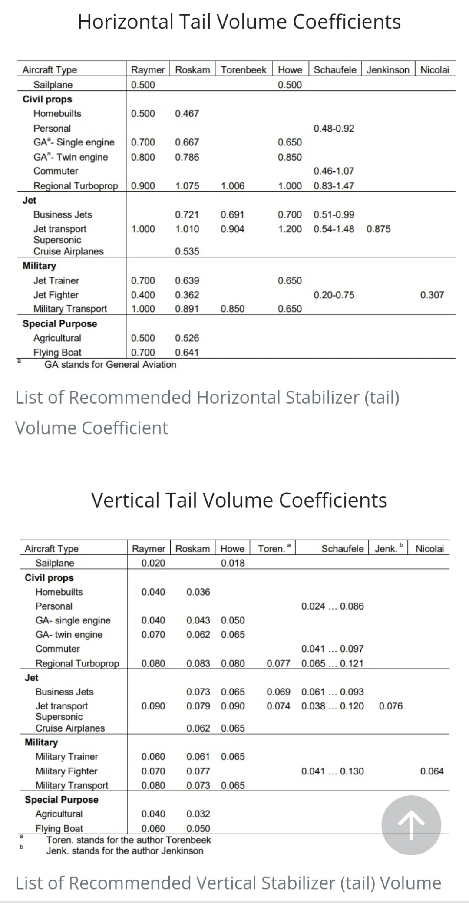
 |  |  |  |  |  |  |  | Notes regarding specific stabilizers from Raymer, p. 160(pdf 190)

Sizing - Blend
Horizontal tail |  |  |  | Vertical tail |  |  |  | Sizing reference

$$S_{t}$$
$$S_{v}$$
$$l_{t}$$
$$l_{v}$$
Variable needed | shorthand | value | Eq source | Variable needed | shorthand | value | Eq source
Tail planform area |  | 6.24 | Raymer 6.29 | Tail planform area |  | 4.624 | Raymer 6.28
Tail arm |  | 6.081 | m - CAD model | Tail arm |  | 6.2 | CAD model
$$b_{t}$$
$$b_{t}$$
Span |  | 8.5 | m - CAD model | Span/height |  | 5.315 | CAD model
$$\overline{c_{t}}$$
$$c_{v}^{root}$$
Mean aerodynamic chord |  | 0.734118 |  | Root chord length |  | 1.905 | CAD model
$$c_{v}^{tip}$$
Airfoil choice |  | NACA64A010 |  | Tip chord length |  | 1.905 | CAD model
Aspect ratio | ARt | 11.578525641 | CAD model | Airfoil choice |  | NACA64A010
$$λ_{t}$$
Sweep angle (deg) |  | 49.4 | CAD model | Aspect ratio | ARv | 6.1092614619
$$λ_{v}$$
Efficiency factor |  |  |  | Sweep angle (deg) |  | 0 sweep, 55.4 degrees from horizontal | CAD model
 |  |  |  | Efficiency factor

For an aircraft that uses a "V-tail," the required horizontal and vertical tail
sizes should be estimated as before. Then the V surfaces should be sized to
provide the same total surface areaflO] as required for conventional tails.
The tail dihedral angle should be set to the arctangent of the square root
of the ratio between the required vertical and horizontal tail areas. This
should be near 45 deg.
The horizontal tail volume coefficient for an aircraft with a control-type
canard is approximately 0.1, based upon the relatively few aircraft of this type
that have flown. For canard aircraft there is a much wider variation in the tail
moment arm. Typically, the canard aircraft will have a moment arm of about
30-50% of the fuselage length.
 |  |  |  |  |  |  |  | Tail volume coefficient from Raymer, p. 160(pdf 190)
Horizontal tail volumne coef |  | 0.60915430553 |  | Vertical tail volumne coef |  | 0.10390558104

Main wing |  |  |  | Pitch moment

$$c_{w}$$
$$C_{M_{0}}$$
$$S_{w}$$
$$C_{M_{a}}$$
Variable needed | shorthand | value |  | Variable needed | shorthand | value
Mean chord |  | 3
Wing planform area |  | 20.764 | CAD model
$$b_{w}$$
$$C_{M_{d}}$$
Wing span |  | 13.288 | CAD model
$$C_{{M_{a}}_{t}}$$
Aspect ratio |  | 3.8 | Vamsi in Group Chat | C_M_a_t
$$C_{M_{RRo}}$$
Sweep angle (deg) |  | 36 | CAD model | C_M_Rro
$$x_{ac}$$
 |  | NACA64A210 |  | x_ac
$$n_{h}$$
Taper ratio |  | 3 |  | n_h
 |  |  |  | de_da

 |  |  |  |  |  |  |  | Notes regarding specific stabilizers from Raymer, p. 160(pdf 190)

Sizing -Grinch
Horizontal tail |  |  |  | Vertical tail |  |  |  | Sizing reference

$$S_{t}$$
$$S_{v}$$
$$l_{t}$$
$$l_{v}$$
Variable needed | shorthand | value | Eq source | Variable needed | shorthand | value | Eq source
Tail planform area |  | 3 | ft^2 from CAD | Tail planform area |  | 60.146 | ft^2 - CAD
Tail arm |  | -10 | ft from CAD | Tail arm |  | 10 | ft - CAD
$$b_{t}$$
$$b_{t}$$
Span |  | 5 | ft From CAD | Span/height |  | 16.592 | ft - CAD
$$\overline{c_{t}}$$
$$c_{v}^{root}$$
Mean aerodynamic chord |  | 1.2 | ft CAD | Root chord length |  | 9.71 | ft - CAD
$$c_{v}^{tip}$$
Airfoil choice |  | NACA64A010 |  | Tip chord length |  | 4.79 | ft - CAD
Aspect ratio | ARt | 8.3333333333 |  | Airfoil choice |  | NACA64A010
$$λ_{t}$$
Sweep angle (deg) |  | 45 | CAD | Aspect ratio | ARv | 4.5771034483
$$λ_{v}$$
Efficiency factor |  |  |  | Sweep angle (deg) |  | 30 | CAD
 |  |  |  | Efficiency factor

For an aircraft that uses a "V-tail," the required horizontal and vertical tail
sizes should be estimated as before. Then the V surfaces should be sized to
provide the same total surface areaflO] as required for conventional tails.
The tail dihedral angle should be set to the arctangent of the square root
of the ratio between the required vertical and horizontal tail areas. This
should be near 45 deg.
The horizontal tail volume coefficient for an aircraft with a control-type
canard is approximately 0.1, based upon the relatively few aircraft of this type
that have flown. For canard aircraft there is a much wider variation in the tail
moment arm. Typically, the canard aircraft will have a moment arm of about
30-50% of the fuselage length.
 |  |  |  |  |  |  |  | Tail volume coefficient from Raymer, p. 160(pdf 190)
VH coeff | (St*lt)/(Sw*c) | -0.0011829652997 |  | VT coeff | (Sv*lv)/(Sw*bw) |  | 0.0043121594494

Main wing |  |  |  | Pitch moment

$$c_{w}$$
$$C_{M_{0}}$$
$$S_{w}$$
$$C_{M_{a}}$$
Variable needed | shorthand | value |  | Variable needed | shorthand | value
Mean chord |  | 10
Wing planform area |  | 2536 | ft^2 from slides
$$b_{w}$$
$$C_{M_{d}}$$
Wing span |  | 55 | CAD
$$C_{{M_{a}}_{t}}$$
Aspect ratio |  | 3.71 | from slides | C_M_a_t
$$C_{M_{RRo}}$$
Sweep angle (deg) |  |  |  | C_M_Rro
$$x_{ac}$$
 |  | NACA64A210 |  | x_ac
$$n_{h}$$
Weight | W |  |  | n_h
$$C_{L_{0}}$$
zero aoa Coefficient of lift |  |  |  | de_da
$$C_{L_{a}}$$
$$C_{L_{d}}$$
$$C_{L_{a_{t}}}$$
$$C_{L_{max}}$$
$$C_{L_{rot}}$$
C_L_a_t
C_L_max
C_L_rot
$$C_{d_{0}}$$
c_d_0
$$C_{L_{t_{NU}}}$$
C_L_t_NU |  |  |  |  |  |  |  | Notes regarding specific stabilizers from Raymer, p. 160(pdf 190)

$$a_{s}$$
alpha stall

Sizing - Sunfish
Horizontal tail |  |  |  | Vertical tail |  |  |  | Sizing reference

$$S_{t}$$
$$S_{v}$$
$$S_{t}$$
$$l_{t}$$
$$l_{v}$$
$$l_{t}$$
Variable needed | shorthand | value | Eq source | Variable needed | shorthand | value | Eq source
Tail planform area |  | 42.44329615 |  | Tail planform area |  | 42.44329615
Tail arm |  | 15.3 |  | Tail arm |  | 15.3
$$b_{t}$$
$$b_{t}$$
$$b_{t}$$
Span |  | 8.48865923 |  | Span |  | 8.48865923
$$\overline{c_{t}}$$
$$c_{v}^{root}$$
$$\overline{c_{t}}$$
Mean aerodynamic chord |  | 5 |  | Mean aerodynamic chord |  | 5
$$c_{v}^{tip}$$
Airfoil choice |  |  |  | Airfoil choice
Aspect ratio | ARt | 1.697731846 |  | Aspect ratio | ARt | 1.697731846
$$λ_{t}$$
$$λ_{t}$$
Sweep angle (deg) |  | 0 |  | Sweep angle (deg) |  | 0
$$λ_{v}$$

Horizontal tail volumne coef |  | 0.014748717363 |  | Vertical tail volumne coef

For an aircraft that uses a "V-tail," the required horizontal and vertical tail
sizes should be estimated as before. Then the V surfaces should be sized to
provide the same total surface areaflO] as required for conventional tails.
The tail dihedral angle should be set to the arctangent of the square root
of the ratio between the required vertical and horizontal tail areas. This
should be near 45 deg.
The horizontal tail volume coefficient for an aircraft with a control-type
canard is approximately 0.1, based upon the relatively few aircraft of this type
that have flown. For canard aircraft there is a much wider variation in the tail
moment arm. Typically, the canard aircraft will have a moment arm of about
30-50% of the fuselage length.
 |  |  |  |  |  |  |  | Tail volume coefficient from Raymer, p. 160(pdf 190)
Main wing

$$c_{w}$$
$$S_{w}$$
Variable needed | shorthand | value |  | please let me know if you have successfully migrated all the values into
Mean chord |  | 27.089283333 |  | sizing-sunfish_final so I can delete this spreadsheet :)
Wing planform area |  | 1625.357
$$b_{w}$$
Wing span |  | 60
aspect ratio |  | 2.215

V tail

$$S_{t}$$
$$l_{t}$$
Variable needed | shorthand | value
Tail planform area |  | 60
Tail arm |  | 15.3
$$b_{t}$$
Span |  | 12
$$\overline{c_{t}}$$
Mean aerodynamic chord |  | 5
Airfoil choice
Aspect ratio | ARt | 2.4
$$λ_{t}$$
Sweep angle (deg) Leading Edge |  | 0
Sweep Angle (deg) dihedral |  | 45 |  |  |  |  |  | Notes regarding specific stabilizers from Raymer, p. 160(pdf 190)

Sizing - Sunfish_final
Horizontal tail |  |  |  | Vertical tail |  |  |  | Sizing reference | V tail (raw)
 | please use metric units thanks |  |  |  |  |  |  |  |  | please use metric units thanks
Variable needed | shorthand | value | Eq source | Variable needed | shorthand | value | Eq source |  | Variable needed | shorthand | value | Eq source
$$S_{t}$$
$$S_{v}$$
$$S_{v}$$
$$S_{t}$$
Tail planform area |  | 12.374368676 |  | Tail planform area |  | 12.374368676 | Raymer 6.28 |  | Tail planform area |  | 17.5
$$l_{t}$$
$$l_{v}$$
$$l_{v}$$
$$l_{t}$$
Tail arm |  | 8 |  | Tail arm |  | 8 |  |  | Tail arm |  | 8
$$b_{t}$$
$$b_{t}$$
$$b_{t}$$
$$b_{t}$$
Span/height |  | 4.9497474703 |  | Span/height |  | 4.9497474703 |  |  | Span |  | 7
$$\overline{c_{t}}$$
$$c_{v}^{root}$$
$$c_{v}^{root}$$
$$\overline{c_{t}}$$
Root chord length |  | 2.5 |  | Root chord length |  | 2.5 |  |  | Mean aerodynamic chord |  | 2.5
$$c_{v}^{tip}$$
$$c_{v}^{tip}$$
Tip chord length |  | 2.5 |  | Tip chord length |  | 2.5 |  |  | Airfoil choice
Airfoil choice |  | NACA64A010 |  | Airfoil choice |  | NACA64A010 |  |  | Aspect ratio | ARt | 2.8
$$λ_{t}$$
$$λ_{t}$$
Aspect ratio | ARv | 1.9798989881 |  | Aspect ratio | ARv | 1.9798989881 |  |  | Sweep angle (deg) |  | 0
$$λ_{v}$$
$$λ_{v}$$
Sweep angle (deg) |  |  |  | Sweep angle (deg) |  |  |  |  | Sweep Angle Dihedral (rad) |  | 0.785398163
Efficiency factor |  |  |  | Efficiency factor

For an aircraft that uses a "V-tail," the required horizontal and vertical tail
sizes should be estimated as before. Then the V surfaces should be sized to
provide the same total surface areaflO] as required for conventional tails.
The tail dihedral angle should be set to the arctangent of the square root
of the ratio between the required vertical and horizontal tail areas. This
should be near 45 deg.
The horizontal tail volume coefficient for an aircraft with a control-type
canard is approximately 0.1, based upon the relatively few aircraft of this type
that have flown. For canard aircraft there is a much wider variation in the tail
moment arm. Typically, the canard aircraft will have a moment arm of about
30-50% of the fuselage length.
 |  | 0.0045296154235 |  |  |  |  |  | Tail volume coefficient from Raymer, p. 160(pdf 190)
Horizontal tail volumne coef |  | 0.047468 |  | Vertical tail volumne coef |  | 0.0015809514325

Main wing |  |  |  | Pitch moment

$$c_{w}$$
﷐𝐶﷮﷐𝑀﷮0﷯﷯
$$S_{w}$$
$$C_{M_{a}}$$
Variable needed | shorthand | value |  | Variable needed | shorthand | value
Mean chord |  | 19.68504 |  | Cm0
Wing planform area |  | 1110.236256 |  | Cma
$$b_{w}$$
$$C_{M_{d}}$$
Wing span |  | 56.4 |  | Cmd
$$C_{{M_{a}}_{t}}$$
Aspect ratio |  | 2.8651199083 |  | C_M_a_t
$$C_{M_{RRo}}$$
Sweep angle (deg) |  | 33.8 |  | C_M_Rro
$$x_{ac}$$
 |  |  |  | x_ac
$$C_{L_{0}}$$
$$n_{h}$$
Weight | W |  |  | n_h
zero aoa Coefficient of lift |  |  |  | de_da
$$C_{L_{a}}$$
Cla
$$C_{L_{d}}$$
Cld
$$C_{L_{a_{t}}}$$
C_L_a_t
$$C_{L_{max}}$$
C_L_max
$$C_{L_{rot}}$$
C_L_rot
$$C_{d_{0}}$$
c_d_0
$$C_{L_{t_{NU}}}$$
C_L_t_NU
 |  |  |  |  |  |  |  | Notes regarding specific stabilizers from Raymer, p. 160(pdf 190)
$$a_{s}$$
alpha stall

